Rocker Arm Shaft Polish (Rev)
ROCKER ARM SHAFT
DELIVERY AND RECEIVING CHECK SHEET

JOB NUMBER |  |  |  |  |  | PART NAME |  |  | ROCKER ARM SHAFT |  |  |  | DOCUMENT NO. | QR07-SAL-011-07
ENGINE MODEL |  |  |  | 6D140E-5 |  | PART NUMBER |  |  |  |  |  |  | PUBL. DATE | 05/02/2009
ENGINE S/N |  |  |  |  |  | START DATE/TIME |  |  |  |  |  |  | REVISION NO. | 00
MACHINE MODEL |  |  |  |  |  | FINISH DATE/TIME |  |  |  |  |  |  | PAGE | 1of 1

SKETCH DRAWING
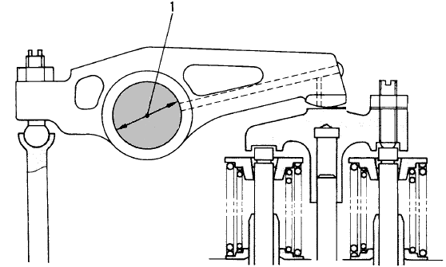

 |  | Physical Data
 |  | No | Part Number |  | Part Name |  |  | Qty |  | New |  | Reuse
 |  | 1
 |  | 2
 |  | 3
 |  | 4
 |  | 5

 |  | VISUAL CHECK |  |  |  |  | MECHANIC |  |  | QA
 |  |  |  |  |  |  | OK | NOT |  | OK |  | NOT
 |  | FREE CORROSION AND DIRT
 |  | CRACK HAS BEEN CHECK
 |  | SHAFT ROTATED SMOOTHLY

MECHANIC INSPECTION COMMENT :

 | DELIVERY BY MACHINING |  |  |  |  |  |  |  |  |  | RECEIVING INSPECTION BY MECHANIC
 | DELIVERED DATE : |  |  |  |  |  |  |  |  |  | RECEIVED DATE :
 | MACHINIST NAME : |  |  |  |  |  |  |  |  |  | MECHANIC NAME :
 | SIGN |  |  |  |  |  |  |  |  |  | SIGN

 | Note : New Rocker Arm Shaft & after finishing can be directly measured by QA ( Quality Assurance )

